Sheet1
NAME | WORKDONE | CONRIBUTION | IMAGES
Akash Singh(230350125006)(PL) | Worked on model 1 of the verification of the test taker | 35% | 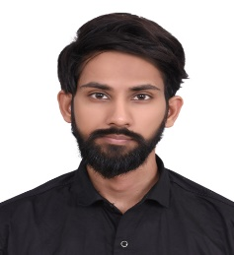
Rishikesh Bachhav(230350125017) | Worked on model 2 of the verification of the test taker | 33% | 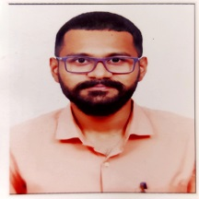
Sahil Rahate(230350125071) | Worked on the graphical part of the model 1 and 2 of the verification of the test taker and documentation | 32% | 